Intellectual_Output_timesheet
Intellectual Output: Time sheet

Name of the Person |  |  | Maija Meikäläinen
Organisation
Category of staff |  |  | 1. Manager
Country |  |  | Finland
Unit cost of staff category per day (See the sheet "Unit costs of staff categories") |  |  | 214 €
Lenght of the standard working day defined under work contract or national legislation (hh:mm) |  |  | 7:45:00
Name of the project
Project number:
Reporting period: start date - end date

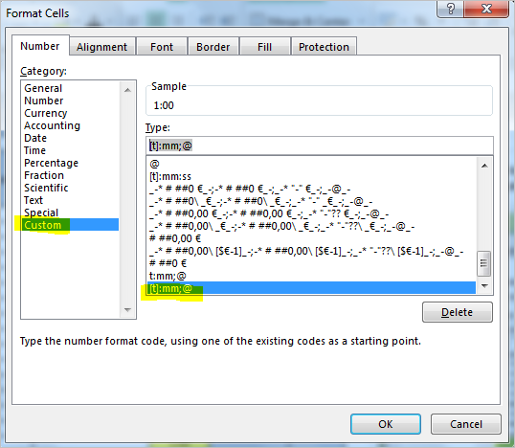
 | Number of the intellectual output | Description of the tasks/activities | Date of activities (dd.mm.yyyy) | Time spent/hours (hh:mm) | Number of working days for the project (full-time equivalent3) | Total in Euros | Please type spent hours in format hh:mm by using a colon (:) not a dot (.). If the table still calculates the hours incorrectly, please check also cell format type (cells marked in yellow) is [t]:mm;@
1 |  |  |  | 1:00:00
2 |  |  |  | 0:45:00
3 |  |  |  | 2:15:00
4 |  |  |  | 2:15:00
5 |  |  |  | 19:45:00
6 |  |  |  | 37:30:00
7
8
9
10
11
12
13
14
15
16
17
18
19
20
21
22
23
24
 |  |  | Total | 63:30:00 | 8.19 | 1,753.42 €

 | I, the undersigned, declare that the above information is correct.

 | Date:
 | (Signature of employee)

 | I, the undersigned, declare that the above information is correct.

 | Date:
 | (Signature of legal representative OR financial manager)

Unit costs of staff categories
